Sheet1
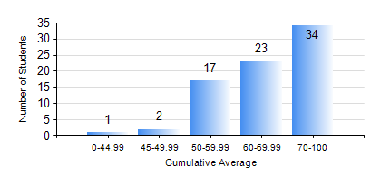
 |  |  | KWAME NKRUMAH UNIVERSITY OF SCIENCE AND TECHNOLOGY, KUMASI Department of Computer Engineering

 |  |  | BSC. BIOMEDICAL ENG.

 |  |  | COMPREHENSIVE RECORD OF EXAMINATION RESULTS

 |  |  | RESULTS OF YEAR 1 SECOND SEMESTER, 2020/2021 ACADEMIC YEAR

 | Sn | Course Code |  | Course Name | Credit Hours | Min. Mark | Max. Mark | Avg. Mark | Std. Dev. | No. Passed | No. Trailed | No. (Df) | No. (I) | No. (I*) | No. Tagged(I,I*,Df) | Total
 | 1. | COE 152 |  | BASIC ELECTRONICS | 3 | 52 | 96 | 72 | 11.04 | 77 | 0 | 0 | 0 | 0 | 0 | 77
 | 2. | COE 158 |  | INTRODUCTION TO INFORMATION TECHNOLOGY | 2 | 30 | 88 | 71 | 11.24 | 75 | 1 | 0 | 1 | 0 | 1 | 77
 | 3. | EE 156 |  | ELECTRICAL ENGINEERING DRAWING | 2 | 46 | 91 | 70 | 10.93 | 77 | 0 | 0 | 0 | 0 | 0 | 77
 | 4. | ENGL 158 |  | COMMUNICATION SKILLS II | 2 | 44 | 82 | 65 | 8.24 | 77 | 0 | 0 | 0 | 0 | 0 | 77
 | 5. | MATH 152 |  | CALCULUS WITH ANALYSIS | 4 | 19 | 92 | 58 | 16.64 | 69 | 8 | 0 | 0 | 0 | 0 | 77
 | 6. | PHY 154 |  | PROPERTIES OF MATTER | 2 | 26 | 86 | 61 | 13.4 | 74 | 3 | 0 | 0 | 0 | 0 | 77
 | 7. | SOC 152 |  | INTRODUCTION TO SOCIOLOGY II | 3 | 54 | 93 | 75 | 9.69 | 77 | 0 | 0 | 0 | 0 | 0 | 77
 | 8. | SSN 166 |  | BIOCHEMISTRY | 2 | 33 | 79 | 62 | 10.13 | 76 | 1 | 0 | 0 | 0 | 0 | 77

